Sheet design
KPI requirements
Sum of Sales | Average Sales | Number of items | Average of Rating
35379.1198 | 140.95266853 | 251 | 3.8812749004

Total Sales | Avg sales | No of items | Avg rating
$0.04M | $141 | 251 | 3.9

Total sales by fat content
Row Labels | Sum of Sales
Low Fat | $18.84K
Regular | $16.54K
Grand Total | $35.38K

Total sales by Outlet Type
Sum of Sales | Column Labels
Row Labels | Low Fat | Regular | Grand Total
Tier 1 | $4.73K | $5.05K | $9.79K
Tier 2 | $6.38K | $5.18K | $11.56K
Tier 3 | $7.73K | $6.30K | $14.03K
Grand Total | $18.84K | $16.54K | $35.38K

Total sales by item Type
Row Labels | Sum of Total Sales
Breads | $35.38K
Grand Total | $35.38K

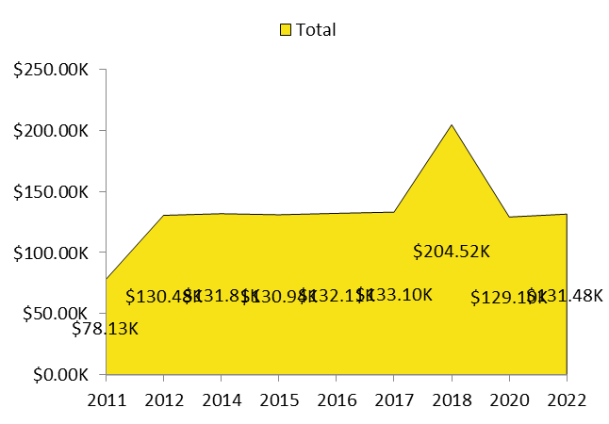
Total sales by outlet establishment
Row Labels | Sum of Total Sales
2011 | $2.63K
2012 | $3.64K
2014 | $3.34K
2015 | $4.33K
2016 | $3.95K
2017 | $4.18K
2018 | $6.72K
2020 | $3.05K
2022 | $3.54K
Grand Total | $35.38K

Total sales by Outlet size
Row Labels | Sum of Sales
High | $7.36K
Medium | $15.26K
Small | $12.76K
Grand Total | $35.38K

Sales by outlet location
Row Labels | Sum of Sales |  | Outlet location | Sales
Tier 1 | $9.79K |  | Tier 1 | $9.79K
Tier 2 | $11.56K |  | Tier 2 | $11.56K
Tier 3 | $14.03K |  | Tier 3 | $14.03K
Grand Total | $35.38K

All metrics by outlet type

Sales by outlet type
Row Labels | Sum of Sales
Grocery Store | $4.83K
Supermarket Type1 | $22.49K
Supermarket Type2 | $3.54K
Supermarket Type3 | $4.52K
Grand Total | $35.38K

Average of sales by Outlet type
Row Labels | Average of Sales
Grocery Store | $0.15K
Supermarket Type1 | $0.14K
Supermarket Type2 | $0.13K
Supermarket Type3 | $0.15K
Grand Total | $0.14K

total number of counts
Row Labels | Count of Sr no
Grocery Store | 33
Supermarket Type1 | 160
Supermarket Type2 | 27
Supermarket Type3 | 31
Grand Total | 251

Dashboard
blinkit
OUTLET ESTABLISHMENT
$0.04M
$141
 | Total
2011 | $2.63K
2012 | $3.64K
2014 | $3.34K
2015 | $4.33K
2016 | $3.95K
2017 | $4.18K
2018 | $6.72K
2020 | $3.05K
2022 | $3.54K
India's Last Minute App

fILTER PANEL
TOTAL SALES
AVG SALES

251
3.9

NO OF ITEMS
AVG RATING

FAT CONTENT
ITEM TYPE
 | Total
Low Fat | $18.84K
Regular | $16.54K
OUTLET SIZE
 | Total
Breads | $35.38K
 | Total
High | $7.36K
Medium | $15.26K
Small | $12.76K

OUTLET TYPE
FAT BY OUTLET
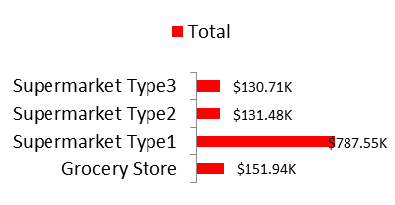
 | Total
Grocery Store | $0.15K
Supermarket Type1 | $0.14K
Supermarket Type2 | $0.13K
Supermarket Type3 | $0.15K
 | Total
Grocery Store | 33
Supermarket Type1 | 160
Supermarket Type2 | 27
Supermarket Type3 | 31

 | Low Fat | Regular
Tier 1 | $4.73K | $5.05K
Tier 2 | $6.38K | $5.18K
Tier 3 | $7.73K | $6.30K

TOTAL SALES
AVERAGE SALES
NO OF ITEMS

